Dashboard
 | PALOMAR COLLEGE FISCAL METRICS DASHBOARD | . | Column2 | Column3 | Column4 | Column5 | Column6 | Column7 | Column8 | Column10 | Column11 | Column12 | Column14
 | METRIC | FY 2018-19 | FY 2019-20 | FY 2020-21 | FY 2021-22 | FY 2022-23 (ADOPTED BUDGET) |  | DESCRIPTION

1 | Primary Reserve Ratio (Reserve %) | 14.57% | 14.62% | 23.09% | 30.49% | 26.66% |  | Ending GFU Fund Balance |  | $40,622,519 | divided by Total Expenditures |  | $133,253,502

2 | Net Operating Revenue Ratio | -0.86% | 0.09% | 5.90% | 8.29% | 0.00% |  | Surplus or (Deficit) |  | $12,046,847 | divided by Total Revenues |  | $145,300,349

3 | Surplus or Deficit | $(1,204,610) | $126,493 | $7,763,323 | $12,046,847 | $(0) |  | Total GFU Revenue |  | $145,300,349 | minus Total GFU Expenditures |  | $133,253,502

4 | Compensation Percentage | 85.91% | 87.30% | 88.67% | 84.59% | 84.49% |  | Total Compensation |  | $112,724,372 | divided by Total Expenditures |  | $133,253,502

5 | Funded Ratio (from Audit Report) | 6.72% | 8.24% | 9.63% | 11.53% | 11.53% |  | Total Balance in JPA |  | $10,573,712 | divided by Total OPEB Liability |  | $91,733,793

6 | Change in Cash Balance as a % of Expenditures | -0.20% | -6.62% | 8.68% | 15.49% | 13.55% |  | Change in Cash Balance |  | $20,636,885 | divided by Total Expenditures |  | $133,253,502

7 | FTES (3-Year Average ) | 18,494.31 | 18,642.05 | 18,341.61 | 18,459.60 | 18,459.60 |  | ANNUAL 311 EXCERPT
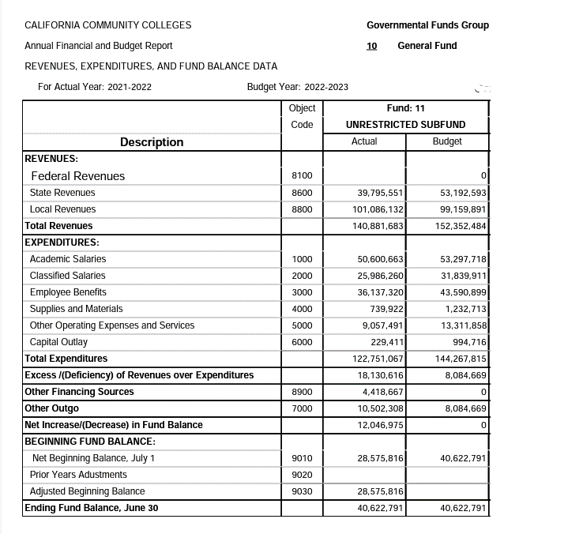

 | Beginning Fund Balance | $21,890,470 | $20,685,859 | $20,812,352 | $28,575,672 | $40,622,519

 | Total Revenues incl. Other Financing Sources | $140,722,536 | $142,500,800 | $131,499,120 | $145,300,349 | $152,352,484

 | Total Expenditures incl. Other Outgo | $141,927,146 | $142,374,307 | $123,735,797 | $133,253,502 | $152,352,484

 | Surplus/Deficit | $(1,204,610) | $126,493 | $7,763,323 | $12,046,847 | $(0)

 | Ending Fund Balance | $20,685,859 | $20,812,352 | $28,575,673 | $40,622,519 | $40,622,519

 | Ending Cash Balance | $34,762,762 | $25,335,079 | $37,026,881 | $57,663,766 | $79,105,672

